Sheet1
 |  |  | Original Values
Gender | Basic | Premium | Standard | Grand Total
Female | 512 | 364 | 381 | 1257
Male | 487 | 369 | 387 | 1243 |  |  | (O - E) | (O - E)^2 | (O - E)^2/E
Grand Total | 999 | 733 | 768 | 2500
 |  |  |  |  | Female | Basic | 9.7028 | 94.1443 | 0.18743
 |  |  |  |  | Female | Premium | -4.5524 | 20.7243 | 0.05623
 |  |  |  |  | Female | Standard | -5.1504 | 26.5266 | 0.0687
 |  |  | Expected Values
Gender | Basic | Premium | Standard | Grand Total | Male | Basic | -9.7028 | 94.1443 | 0.1895
Female | 502.2972 | 368.5524 | 386.1504 | 1257 | Male | Premium | 4.5524 | 20.7243 | 0.0569
Male | 496.7028 | 364.4476 | 381.8496 | 1243 | Male | Standard | 5.1504 | 26.5266 | 0.0695
Grand Total | 999 | 733 | 768 | 2500 |  |  |  |  | 0.6282

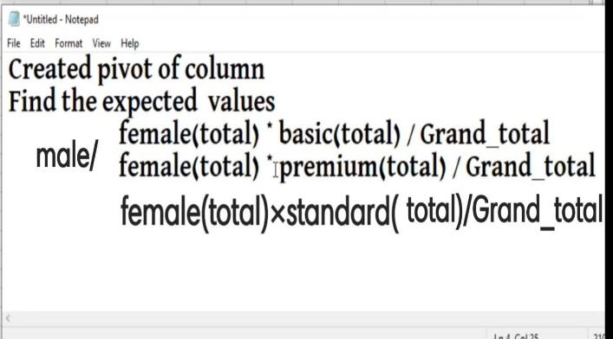
 |  |  |  |  | df | (R-1)*(C-1) | (2-1)*(3-1) | 2

 |  |  |  |  | L.O.S | 0.05

 |  |  |  |  |  | TABLE VALUE | 5.991

 |  |  |  |  |  | THESE TWO COLUMNS ARE INDEPENDENT .
 |  |  |  |  |  |  | 0.6282 < 5.991

